Cover page
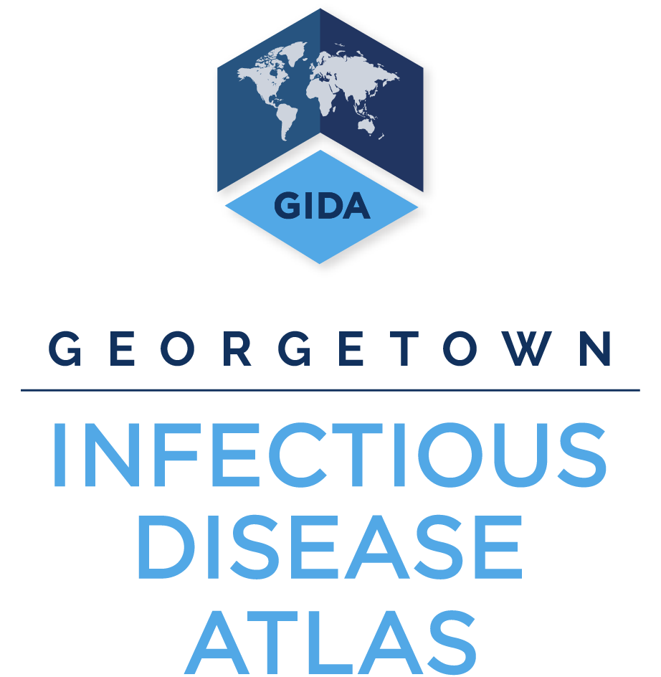
State Party Self-Assessment Annual Reporting (SPAR) data by country, year (2010-2017), and IHR capacity
Last updated 2020-05-20
States Parties of the World Health Organization (WHO) submit an annual report to the World Health Assembly (WHA) documenting progress toward implementation of the International Health Regulations (IHR). The IHR define the capacities needed by States Parties to develop and maintain global public health security, and Article 54 of the IHR states that “States Parties and the Director-General shall report to the Health Assembly on the implementation of these Regulations as decided by the Health Assembly." The State Party Self-Assessment Annual Reporting (SPAR) Tool helps fulfil this obligation and measures current implementation status for 13 of 19 IHR capacities on a scale from 0 to 100% average implementation. Average implementation of a capacity is assessed using one or more indicators, ultimately yielding a quantitative value representing the degree of implementation.
The SPAR data tab contains annual IHR capacity average implementation values for each submitting State Party from 2010 through 2017. The Legend tab provides descriptions of each data column in the SPAR data tab. More information about the SPAR process is available online at: https://extranet.who.int/e-spar

